Introduction
MHA MSF2 Performance Management Toolkit
Introduction
1.1 | The performance of the project team delivering the project should be rated and monitored by the whole project team in relation to each Work Package carried out under the Framework Agreement. This assessment will be carried out against each of the quality criteria and the accuracy of any Cost Models used in the selection procedure. These performance and accuracy scores will then be used to adjust the current quality scores for the contractor at the end of the scheme.

1.2 | The ten key quality aspects are Product, Service, Right First Time, Cost Management, Time, Safety, Learning and Development, Community, Traffic Management, Innovation and quality for money.

1.3 | In addition to the key quality aspects, there are optional performance elements that measure the performance of the Commissioning Authority and, the tookit also includes the MHA Framework Community KPI's.

1.4 | This spreadsheet contains definitions and guidance on the key performance measures and a toolkit that can be used to collect the required information for each work package both during and at the end of the scheme.

1.5 | For each key quality aspect a number of measures have been defined.
 | Core measures are expected to be collected for all schemes both during and at the end of the scheme. In scheme core measures are collected at 2 months intervals from the start of work on site.
 | Optional - locally determined are meaures that teams may wish to adopt locally for Work Packages. The use of these measures needs to be agreed before the start of a scheme. These measures are not used to adjust the quality scores of an individual contractor
 | Framework - are measures which are collected and reported at a framework level. These measures are not used to adjust the quality scores of an individual contractor

1.6 | The toolkit contains a number of worksheets as described below
 | Introduction
 | Scheme Details - Core scheme details including key cost, time and safety data, and current data about scheme including date of scoring
 | Scheme Scores - A summary of the latest set of scores contained in each of the worksheets and a summary of past scores collected at 2 month intervals.
 | Scheme Scores - Charts - Charts for each KPI based on the data in the Scheme Scores worksheet
 | Optional Scheme Scores - A summary of the latest set of optional scores contained in each of the worksheets and a summary of past scores collected at 2 month intervals
 | Optional Scheme Scores - Charts - Charts for each optional measure based on the data in the Optional Scheme Scores worksheet
 | MHA MSF2 KPI's - A summary of the KPI's and Optional Measures including definitions, indicator type, frequency of collection. The worksheet is set up with a filter on the top row.
 | 1_Product - Satisfaction with key aspects of product
 | 2_Service - Satisfaction with key aspects of service
 | 3_Right First Time - Looks at the 'whole system' to ensure right first time. Is there a plan, is it communicated, how effectively is it deployed, what level of faliure or non-conformity is arising.
 | 4_Cost Management - Predictability of cost
 | 5_Time - Predictability of time
 | 6_Safety - Key aspects of health and safety
 | 7_Learning and development - Engagement with Employee Skills Plan
 | 8_Community - Impact of projects on the local community
 | 9_Traffic Management - Key aspects of traffic management
 | 10_Innovation and value for money
 | 11_Commissioning Authority Performance - Optional 360 review of Commissioning Authority performance

1.7 | The spreadsheet allows the direct recording of all Core and Optional measures. Whilst suggestions for Optional -Locally Determined measures are included within each of the worksheets 1 to 10 and are carried forward to the Optional Scheme Score Summary they are not used to amend the MHA MSF2 Quality score multiplier. Optional measures should only be used with the agreement of the whole project team but can be a further way of measuring success against the MHA outcomes.

1.8 | The ten worksheets containing the MHA quality criteria are generally formatted in the same way and include a summary MHA score and multiplier, cells to enter core and optional measures, satisfaction criteria (where appropriate) and, key aspects/factors. A typical layout is shown below for 3_Right First Time
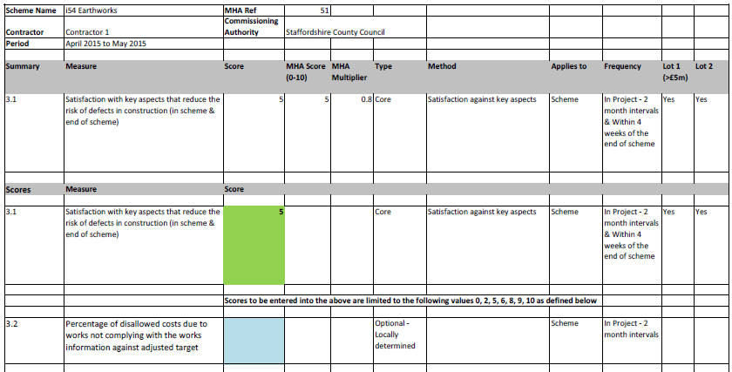

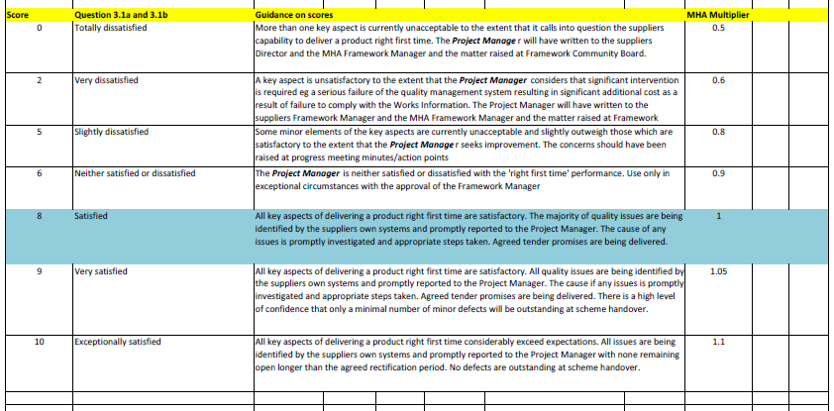

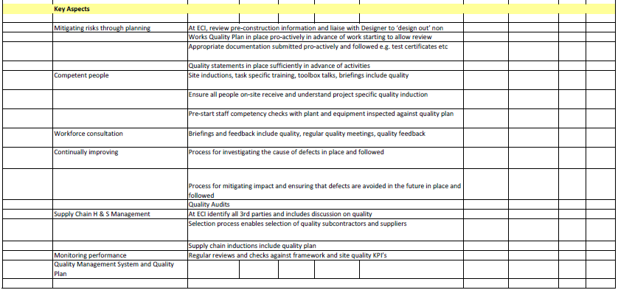

How to use the toolkit
2.1 | The toolkit is designed to enable scores to be entered into each of the worksheets for the key criteria (numbered 1 to 11 above) plus, Scheme Details. Enter the required information into the relevant coloured cells within the Scheme Details worksheet and, worksheets 1 to 11.
 | Information about the Scheme to be entered the first time the toolkit is used. This information should be entered into cells in the Scheme Details worksheet coloured grey with a double border.

 | In the Scheme Details worksheet, orange cells denote data that will normally be updated each time performance measures are scored including at 2 month intervals during the project and, following completion of the project

 | In worksheets 1 to 11, green cells denote data that will normally be updated each time performance measures are scored including at 2 month intervals during the project and, following completion of the project

 | A cell coloured blue with a dashed border in the Scheme Details worksheet is calculated data used for one of the KPI's. Blue cells with a dashed border in a KPI worksheet are linked to the relevant data from the Scheme Details eg 4_Cost Management

 | Optional measures are entered into cells coloured aqua with a dotted border

 | The majority of the worksheets are protected against amending or altering content and in the case of satisfaction scores the range of scoring that can be used. Data can generally only be entered into the coloured cells described above.

2.2 | Where appropriate the spreadsheet will automatically convert the scores entered into an MHA score out of 10. For example, the Considerate Constructors score in 8_Community will normally be the overall scheme score issued following the Monitors visit. This will then be converted to an MHA score and the MHA Multiplier used to adjust the quality scores used for Contractor Selection. The relationship between the score and the multiplier is generally shown on each worksheet. Where the conversion data is not shown on the individual worksheet the relevant worksheet containing the data is referenced to ensure that the methodology is transparent to all users

2.3 | The summary information from each of the worksheets 1 to 11 is automatically transferred to the Scheme Scores worksheet and the Optional Scores worksheet.

2.4 | Each time a new set of scores is entered the data in the spreadsheet will be updated. To keep a history of past scores it is recommended that the spreasheet is saved as a new version each time updated scores are entered. To keep a history of the project the previous data in the Scheme Scores worksheet and Optional Scores worksheet should be copied across to a new column (see 2.5 below). It is recommended that each version of the file is saved using the following filename convention. YYYYMMDD_MHA Ref_Scheme Name_Contractor Name_Version No. For example 20150315_051_Lichfield Park_Galliford_V2

2.5 | Before updating the scores, in the worksheet Scheme Scores, select column H and then insert a new empty column. Next select and copy column G (latest scores). Finally using Paste Special - Values, paste the copied data into the inserted blank column. Add the date (MMM-YY) of the previous update into this column in cell H9 . Once this is complete continue to enter the latest set of information into the spreadsheet. Repeat the above process for the Optional Scheme Scores worksheet if Optional Measures are being collected. There will then be a record of previous scores in the toolkit.

Guidance on scores
3.1 | Wherever possible, scores are derived direct from objective data eg Considerate Constructors score, predictabilty of cost and time

3.2 | Where objective scoring is not available, guidance on how to score is provided within each of the relevant worksheets 1 to 11. This can normally be found in the lower half of the worksheet.

3.3 | Coloured cells where scores are entered generally have data validation built in. For example, scores against key aspects based on satisfaction will generally only allow scores against the numbers indicated. This is to encourage positive and collective decisions around scores to aid distinction between different levels of performance.

3.4 | A score of 8 generally indicates that a scheme is performing at the level expected by the MHA. Where a scheme scores higher or lower than 8 it is expected that comments will be provided to outline the reasons for either higher or, lower levels of performance. A comments box is provided for this purpose on each worksheet

In scheme scores
5.1 | In scheme scores are to be collected every 2 months from the start of work on site and submitted to the MHA Framework Manager. The core measure scores are converted to the MHA MSF2 quality multiplier.

5.2 | The MHA MSF2 quality mulitplier during the scheme will be calculated as the average of the scores to date and this will be used to adjust the tender quality score used for selection. The score will be adjusted at the end of the scheme based on the average score during the Work Package.

Guidance on key aspects or factors
6.1 | Where scoring depends on the consideration of 'key aspects or factors' these are listed in the lower half or the spreadheet below the guidance referred to in 3.2 above.

Other worksheets in the toolkit
7.1 | In addition to the worksheets described above, the spreadsheet also contains a number of other worksheets that are used to provide background data to support the calculation of the MHA score eg Considerate Constructors. Where any changes to the scoring mechanism are agreed by the MHA Framework Community Board these will be updated and a new version of the toolkit issued.

Printing
8.1 | Pages are generally formatted to print out on A4 or A3 paper. For worksheets 1 to 11 the pages are generally formatted to print the MHA Score, Scheme Score, Guidance on satisfaction score and, key aspects/factors on individual pages allowing the user to print out as much or, as little as required.

Further information
9.1 | For further information on the MHA Quality Aspects and training and guidance on using the toolkit please contact John Hooper, MHA Framework Manager, Tel : 0116 305 7873 email: john.hooper@leics.gov.uk

9.2 | For any issues that arise with the use of the toolkit please contact David Walters, Staffordshire County Council, Tel : 01785 854024 email: david.walters@staffordshire.gov.uk.

Version | Revisions made since previous version | By
 | Jan-16
12 | Optional Scheme Scores and Optional Scheme Scores - Worksheets added to allow capture and record of optional measures | DMW
12 | Comments box added to key quality aspects worksheets to allow capture of comments particularly where performance is different than the norm expected through the framework i.e. eight | DMW
12 | Scheme Details - worksheet amended to clarify information required related to latest target cost and latest predicted outturn cost. Additional cells added to identify names of staff completing the performance toolkit and date of review. Comments box added to worksheet. | DMW
12 | 12_Framework worksheet removed. Measures now collected in Scheme Details worksheet | DMW

 | Jul-16
13 | Minor corrections to Scheme Scores worksheet | DMW
13 | Scheme Details worksheet - additional cells added to enable distinction between compensation events that represent change in scope eg additional phase to project and day to day amendments to original project | DMW
13 | Scheme Details worksheet - additional cells added to enable distinction between changes in duration of the project due to change in scope eg addition of an additional phase and day to day amendments to the project | DMW
13 | MHA MSF2 KPI's added Optional KPI 3.3 and 3.4 MHA MFS2 Quality Charter and Commitments | DMW
13 | Optional Scheme Scores and Optional Scheme Scores - Charts added Optional KPI 3.3 and 3.4 | DMW
13 | Right First Time worksheet - addition of optional measures and key aspects to reflect the adoption of the MHA MFS2 Quality Charter and Commitments | DMW

Scheme Scores - Charts
Scheme Name | 0
Contractor | 0
Period | 0
MHA Ref | 0
Commissioning Authority | 0

KPI 01 Product
 | MHA Score | MHA Multiplier
0 | 0 | 0.50
KPI 02 Service
 | MHA Score | MHA Multiplier
0 | 0 | 0.50

KPI 03 Right First Time
 | MHA Score | MHA Multiplier
0 | 0 | 0.50
KPI 04 Cost Management
 | MHA Score | MHA Multiplier
0 | 0 | 0.00

KPI 05 Time
 | MHA Score | MHA Multiplier
0 | 0 | 0.50
KPI 06 Safety
 | MHA Score | MHA Multiplier
0 | 0 | 0.50

KPI 07 Learning & Development
 | MHA Score | MHA Multiplier
0 | 0 | 0.50
KPI 08 Community
 | MHA Score | MHA Multipler
0 | #N/A | #N/A

KPI 09 Traffic Management
 | MHA Score | MHA Multiplier
0 | 0 | 0.50
KPI 10 Innovation & Value for Money
 | MHA Score | MHA Multiplier
0 | 0 | 0.00

KPI 11 Commissioning Authority
 | 360 Review Score
0 | 0

Optional Scheme Scores - Charts
Scheme Name | 0
Contractor | 0
Period covered by data in toolkit | From | 0 | To | 0
MHA Ref | 0
Commissioning Authority | 0

2.2 Tier 2 Supplier Satisfaction
Jan-16 | 0
2.3 Supplier payments made to Charter
Jan-16 | 0

3.2 Disallowed Costs due to incorrect works
Jan-16 | 0
3.3 No of NCR's per £100k
Jan-16 | 0

3.4 Percentage of NCR closed out in agreed period
Jan-16 | 0
4.2 Cost Comparison
Jan-16 | 0

4.3 Accurately priced compensation events
Jan-16 | 0
4.4 Accuracy of cost and payment records
Jan-16 | 0

4.5 Compensation events agreed
Jan-16 | 0
5.2 Predictability of time
Jan-16 | 0

5.3 Reliability of programme activities
Jan-16 | 0
5.4 Accuracy of duration for CE's
Jan-16 | 0

7.2 Learning and development targets achieved
Jan-16 | 0
8.2 Community satisfaction with construction of works
Jan-16 | 0

8.3 Customer Enquiry response
Jan-16 | 0
8.4 Engagement with Communications Plan
Jan-16 | 0

8.4 Communication Plan Targets met
Jan-16 | 0
10.2 Environment for Innovation
Jan-16 | 0

